Sheet1
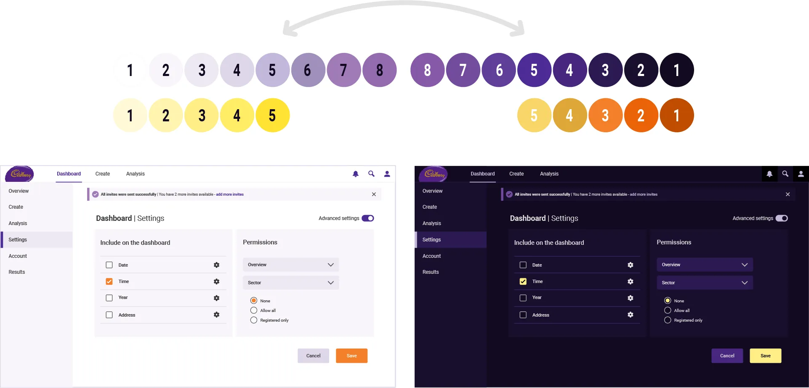
 |  | /*#region IMG*/
 |  | $my-photo: url(../images/tyn.png);
 |  | $my-logo: url(../images/logo.png);
 |  | /*#endregion*/
 |  | /*#region FILES*/
 |  | $my-cv: url(../docs/KristineVernaMoreno_CV_JSE.pdf);
 |  | /*#endregion*/
 |  | /*#region FONT STYLE*/
 |  | $main-font-style: 'SourceCodePro_Regular';
 |  | $main-font-style-semibold: 'SourceCodePro_SemiBold';
 |  | $main-font-style-extrabold: 'SourceCodePro_ExtraBold';
 |  | /*#endregion*/

 |  | //Global Color
 |  | $main-purple: #C762F6;
 |  | $main-cyan: #00FFFF;
 |  | // Light Mode Default
 |  | $main-bg-light: #D3D0D0;
 |  | $text-color-light: #000000d3;
 |  | $reverse-text-color-light: #ffffff;
 |  | $header-bg-light: #ffffffcc;
 |  | $header-a-light: $main-purple;
 |  | $header-line-light: $main-cyan;
Tone | hue | $skills-container-light: #ffffff;
 |  | $about-container-light: #F5F5F5;
 |  | // Dark Mode
 |  | $main-bg-dark: #212529;
 |  | $text-color-dark: #ffffffd3;
 |  | $reverse-text-color-dark: #000000;
 |  | $header-bg-dark: #1b1d21cc;
 |  | $header-a-dark: $main-cyan;
 |  | $header-line-dark: $main-purple;
 |  | $skills-container-dark: #1B1D21;
 |  | $about-container-dark:#121315 ;

 |  | $text-shadow-light: 2px 2px 4px rgba(0, 0, 0, 0.25); // Subtle shadow

 |  | /* Light Mode Button */
 |  | :root {
 |  | --my-body-bg: #{$main-bg-light};
 |  | --bs-text-color: #{$text-color-light};
 |  | --bs-reverse-text-color: #{$reverse-text-color-light};
 |  | --bs-header-bg: #{$header-bg-light};
 |  | --bs-header-a: #{$header-a-light};
 |  | --bs-header-line: #{$header-line-light};
 |  | --bs-reverse-main-color: #{$main-cyan};
 |  | --bs-reverse-main-s-color: #{$main-purple};
 |  | --about-container-color: #{$about-container-light};
 |  | --skills-section-color:#{$skills-container-light};
 |  | }

 |  | /* Dark Mode Button */
 |  | [data-bs-theme="dark"] {
 |  | --my-body-bg: #{$main-bg-dark};
 |  | --bs-text-color: #{$text-color-dark};
 |  | --bs-reverse-text-color: #{$reverse-text-color-dark};
 |  | --bs-header-bg: #{$header-bg-dark};
 |  | --bs-header-a: #{$header-a-dark};
 |  | --bs-header-line: #{$header-line-dark};
 |  | --bs-reverse-main-color: #{$main-purple};
 |  | --bs-reverse-main-s-color: #{$main-cyan};
 |  | --about-container-color: #{$about-container-dark};
 |  | --skills-section-color: #{$skills-container-dark};
 |  | }

